Overall
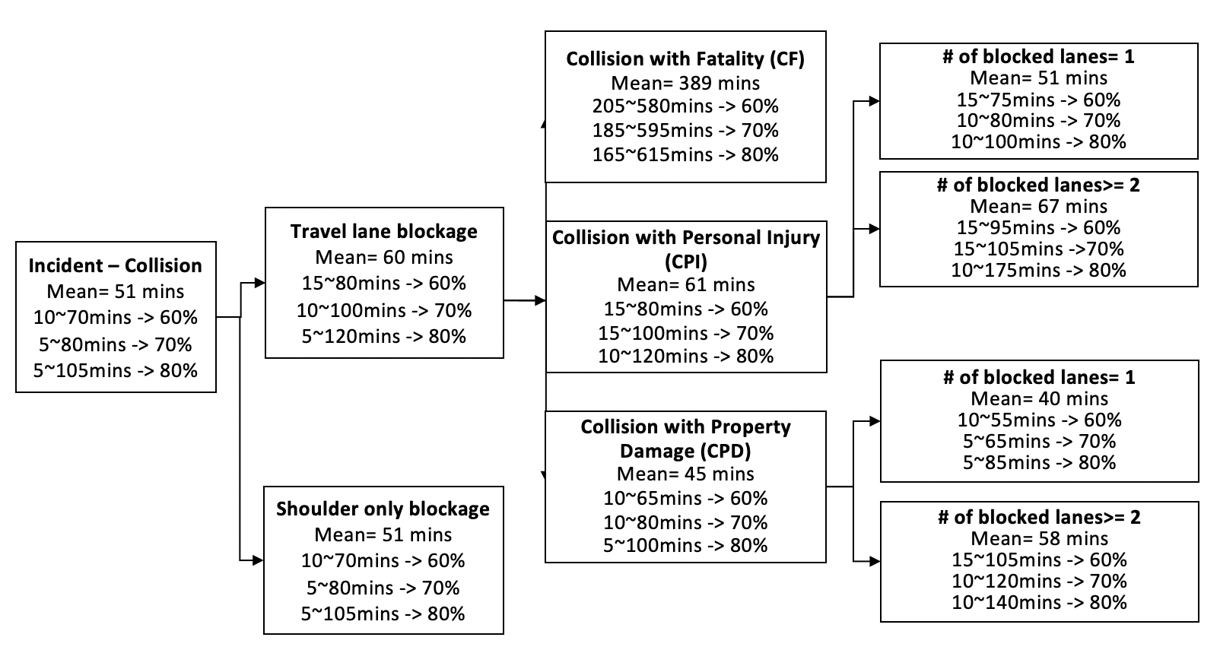

CPI-1
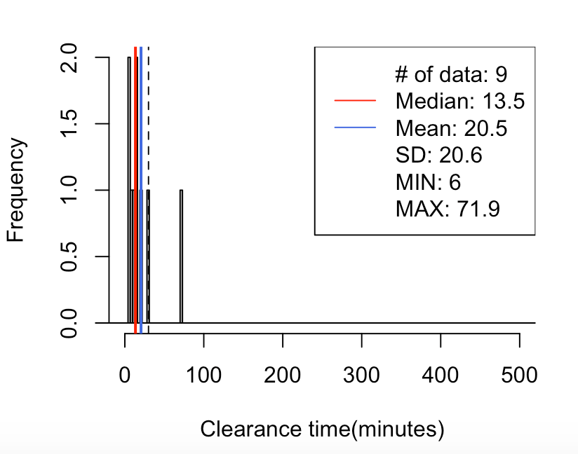
CPI-1 Lane-1
60% | 5-25
70% | 5-30
80% | 5-40
70// mean=21, median=13, SD=21, x=[6, 72], [-30, 30)-> 89%(8/9)
5% 10% 15% 20% 80% 85% 90% 95%
6.4 6.8 7.3 7.8 24.3 27.8 38.1 55.0

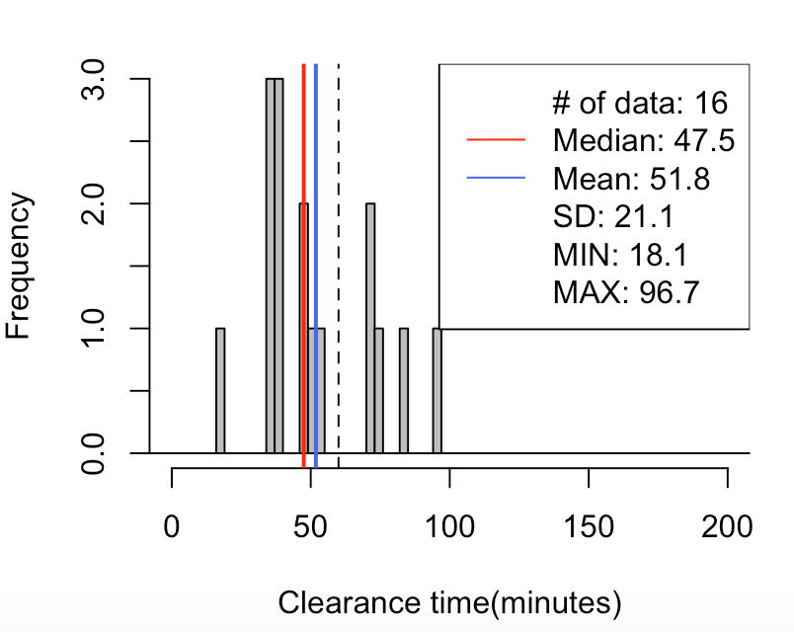

CPI-1 Lane-2
60% | 25-60
70% | 20-60
80% | 15-65
70// mean=52, median=47, SD=21, x=[18, 97], [-60, 60)-> 69%(11/16)
5% 10% 15% 20% 80% 85% 90% 95%
30.7 35.0 35.2 35.4 70.3 72.5 77.8 85.9

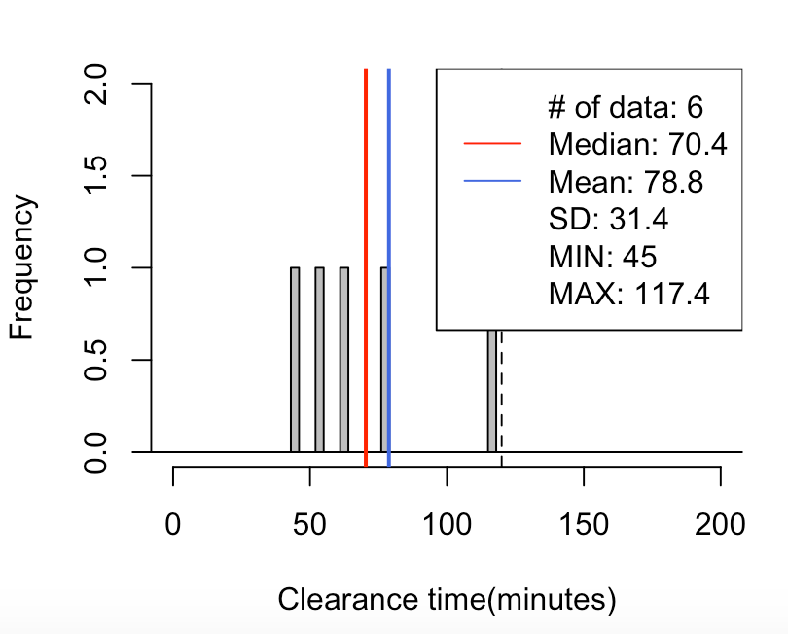

CPI-1 Lane-3
70% | 50-120
80% | 45-120

70// mean=79, median=70, SD=31, x=[45, 117], [-120, 120)-> 100%(6/6)
5% 10% 15% 20% 80% 85% 90% 95%
47.1 49.2 51.3 53.4 116.2 116.5 116.8 117.1

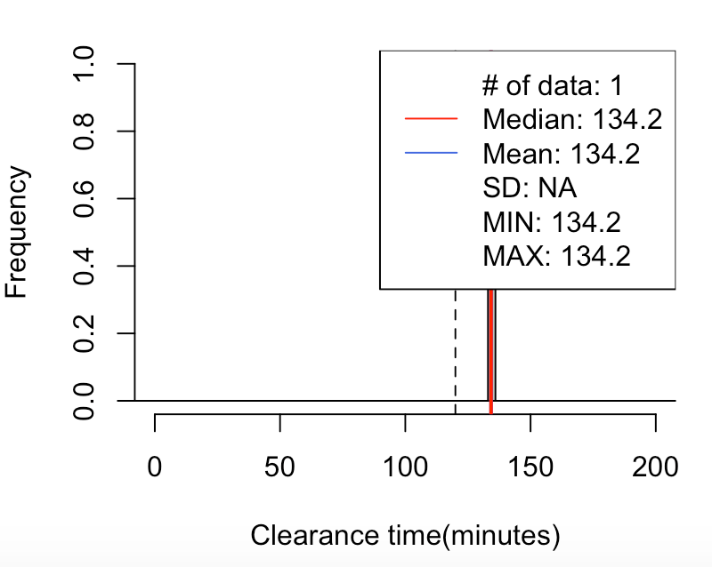

CPI-1 Lane-4
100% | >120

70// mean=134, median=134, SD=NA, x=[134, 134], [120, 1200)-> 100%(1/1)
5% 10% 15% 20% 80% 85% 90% 95%
134.2 134.2 134.2 134.2 134.2 134.2 134.2 134.2

CPI-2
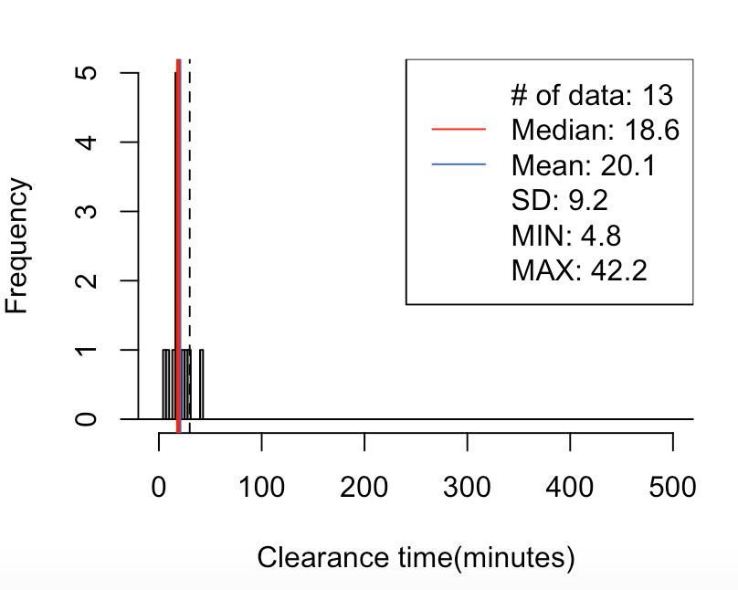
CPI-2 Lane-1
60% | 15-30
70% | 10-30

70// mean=20, median=19, SD=9, x=[5, 42], [-30, 30)-> 92%(12/13)
5% 10% 15% 20% 80% 85% 90% 95%
7.7 10.8 14.5 16.1 25.9 27.0 28.1 34.0

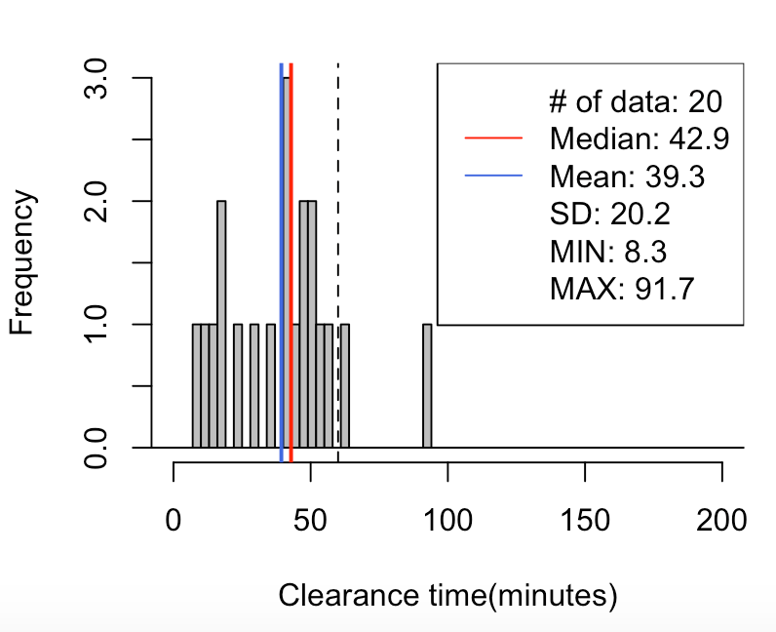
CPI-2 Lane-2
60% | 20-55
70% | 15-60
80% | 15-65
70// mean=39, median=43, SD=20, x=[8, 92], [-60, 60)-> 90%(18/20)
8% 13% 18% 23% 83% 88% 93% 98%
12.7 16.1 17.9 20.6 51.7 55.8 60.1 80.3

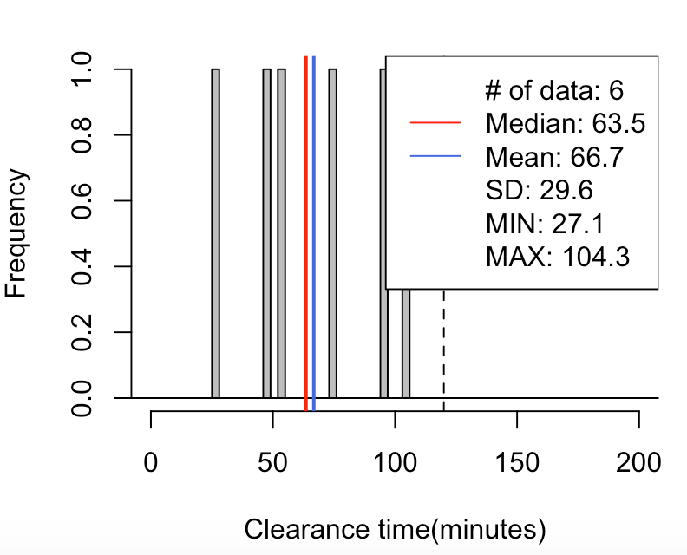

CPI-2 Lane-3
60% | 45-95
70% | 40-100
80% | 35-100
70// mean=67, median=64, SD=30, x=[27, 104], [-120, 120)-> 100%(6/6)
5% 10% 15% 20% 80% 85% 90% 95%
32.1 37.1 42.1 47.0 94.8 97.2 99.6 102.0

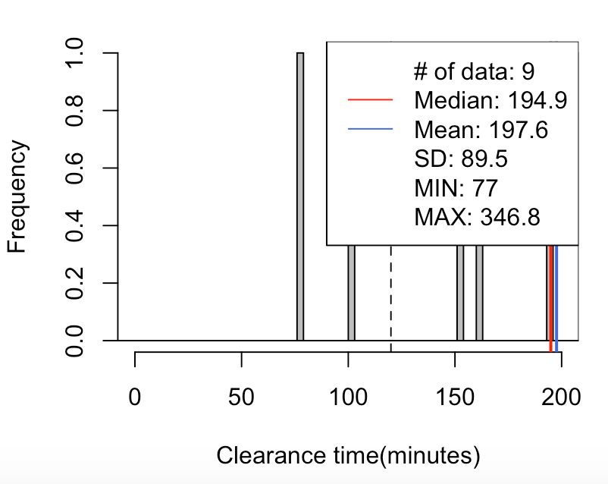

CPI-2 Lane-4
60% | >120
70% | >110
80% | >95
70// mean=198, median=195, SD=90, x=[77, 347], [120, 1200)-> 78%(7/9)
5% 10% 15% 20% 80% 85% 90% 95%
87.0 96.9 111.8 131.7 257.0 296.9 322.9 334.8

CPD-1
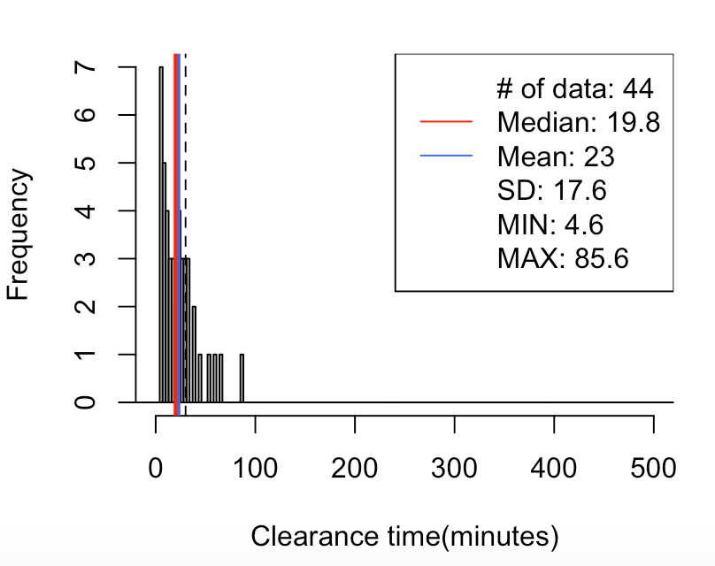
CPD-1 Lane-1
60% | 5-35
70% | 5-40
80% | 5-45
70// mean=23, median=20, SD=18, x=[5, 86], [-30, 30)-> 75%(33/44)
5% 10% 15% 20% 80% 85% 90% 95%
6.3 6.4 7.0 7.9 31.9 35.4 43.3 57.7

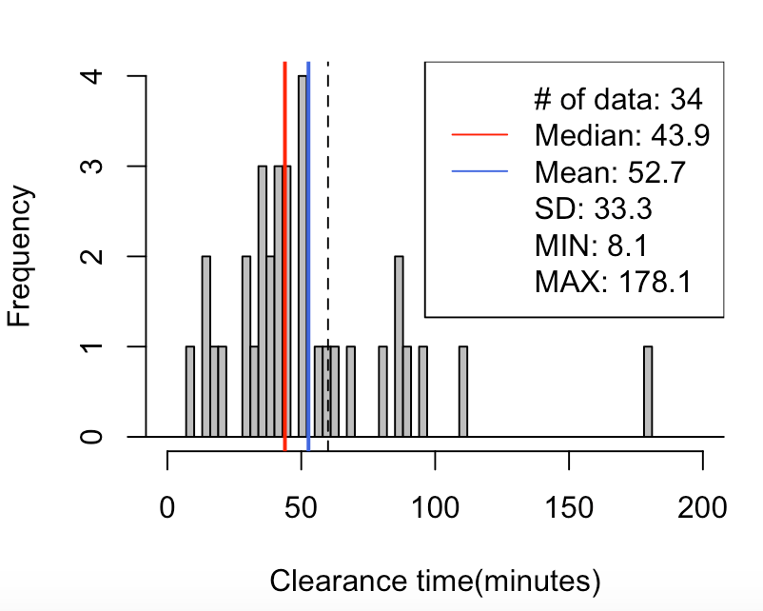
CPD-1 Lane-2
60% | 30-75
70% | 25-90
80% | 15-90
70// mean=53, median=44, SD=33, x=[8, 178], [-60, 60)-> 74%(25/34)
5% 10% 15% 20% 80% 85% 90% 95%
13.5 19.7 29.0 32.0 74.4 86.1 88.0 102.1

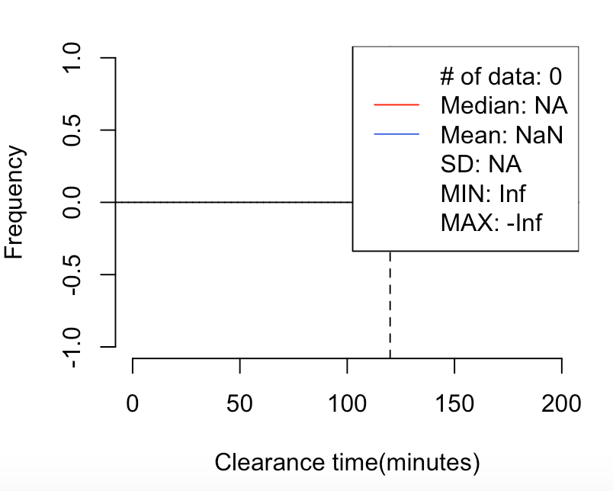

CPD-1 Lane-3
100% | 60-120

70// mean=NaN, median=NA, SD=NA, x=[Inf, -Inf], [-120, 120)-> NaN%(0/0)

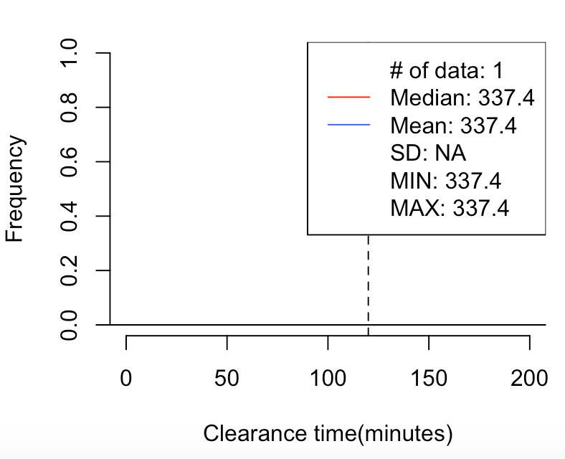

CPD-1 Lane-4
100% | >120
70// mean=337, median=337, SD=NA, x=[337, 337], [120, 12000)-> 100%(1/1)
5% 10% 15% 20% 80% 85% 90% 95%
337.4 337.4 337.4 337.4 337.4 337.4 337.4 337.4

CPD-2
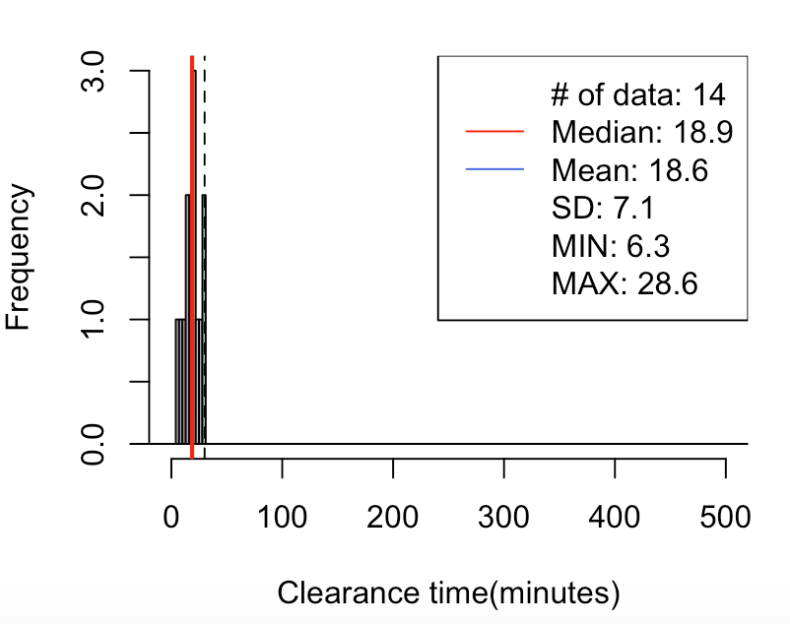
CPD-2 Lane-1
60% | 10-25
70% | 10-30
80% | 5-30
70// mean=19, median=19, SD=7, x=[6, 29], [-30, 30)-> 100%(14/14)
2% 7% 12% 17% 77% 82% 87% 92%
7.1 9.0 10.7 12.2 24.5 26.7 28.0 28.3

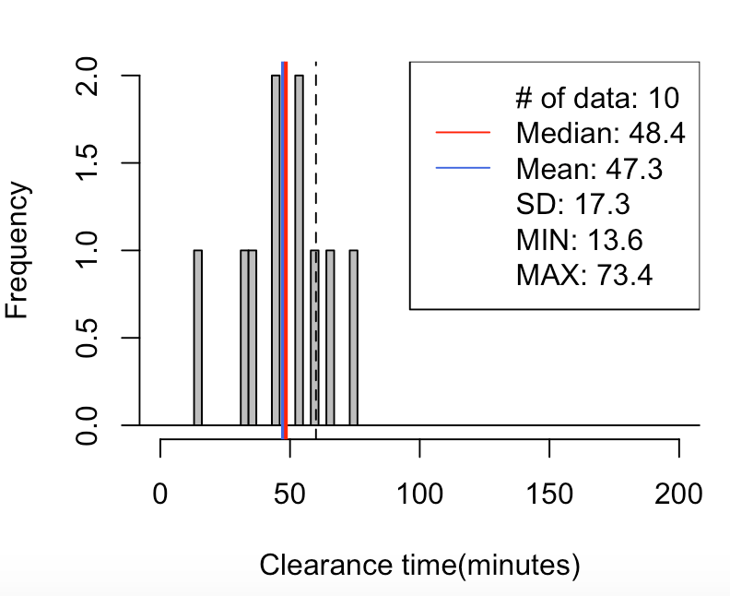
CPD-2 Lane-2
60% | 30-60
70% | 30-65
80% | 30-70
70// mean=47, median=48, SD=17, x=[14, 73], [-60, 60)-> 80%(8/10)
5% 10% 15% 20% 80% 85% 90% 95%
22.5 31.3 33.9 34.7 59.9 62.3 65.1 69.2

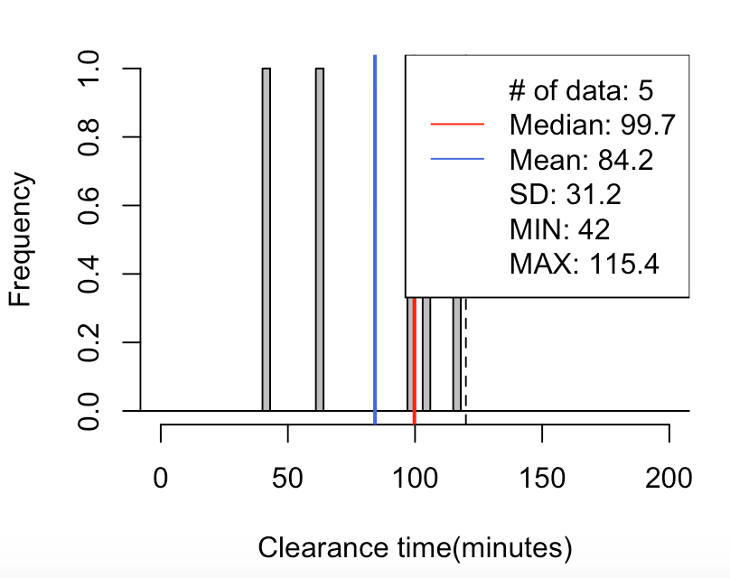
CPD-2 Lane-3
70% | 50-110
80% | 45-115

70// mean=84, median=100, SD=31, x=[42, 115], [-120, 120)-> 100%(5/5)
5% 10% 15% 20% 80% 85% 90% 95%
45.8 49.6 53.4 57.2 105.5 108.0 110.5 112.9

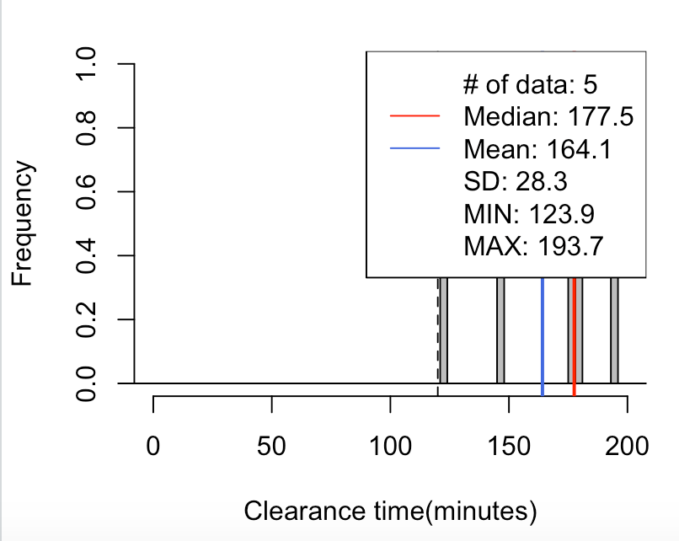

CPD-2 Lane-4
100% | >120
70// mean=164, median=178, SD=28, x=[124, 194], [120, 1200)-> 100%(5/5)
5% 10% 15% 20% 80% 85% 90% 95%
128.4 132.9 137.4 141.9 182.0 184.9 187.9 190.8

